Request
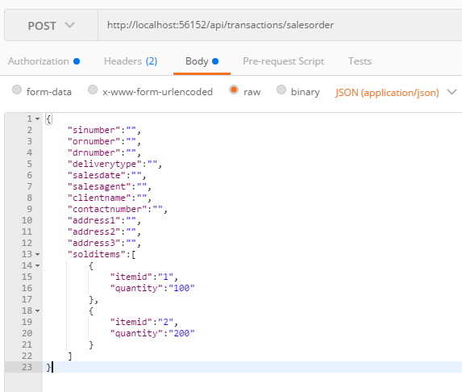
Parameter | Data Type | Length | Required | Unique | Remarks
Token | String |  | Yes |  | Bearer Token see AuthenticateAPI docu
SINumber | String |  | Yes
ORNumber | String |  | Yes
DRNumber | String |  | Yes
DeliveryType | Int |  | Yes
SalesDate | Date |  | Yes
SalesAgent | String
ClientName | String |  | Yes
Address1 | String |  | See Remarks |  | Required if DeliveryType = Delivery
Address2 | String
Address3 | String
ContactNumber | Int |  | See Remarks |  | Required if DeliveryType = Delivery
SoldItems | Array
ItemId | Int |  | Yes
Quantity | Int |  | Yes

Example

Response
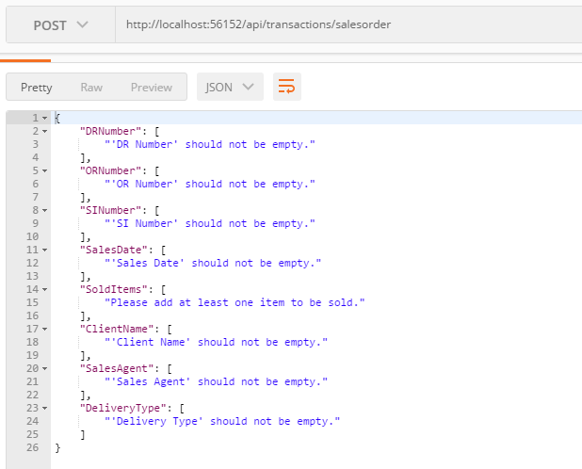
With Error

